Tasks 2,3,4
365 DataScience RE California Database
Histograms. Graphing numerical data

Task 2: Create a frequency distribution graph representing the price (that is a histogram with the highest possible number of bins - 272). Use data on all apartments and offices, no matter if sold or not.
Task 3: Create a histogram which represents the Price variable. Choose interval width (bins) of length $100,000. If you don't know how to do that, refer to the Course notes on descriptive statistics provided with the first lecture in this section.
Use the data on all properties, no matter if sold or not.
Task 4: Interpret the results.

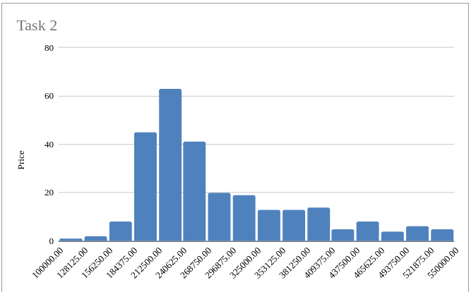
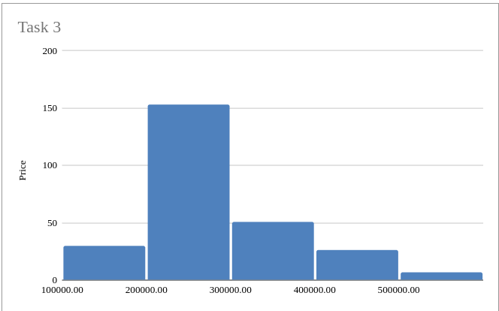

 | Task 4: We can see our price data distribution. Prices are most common between the 200k to 300k range. We can also see that our data is right-skewed and we possess outlier buildings with prices under 200k or way above 400k.

Task 5
365 DataScience RE California Database
Scatter plot. Plotting numerical data; establishing relationship between variables.

Task 5: Create a scatter plot showing the relationship between Price and Area. Use the data on all properties, no matter if sold or not. Interpret the results.

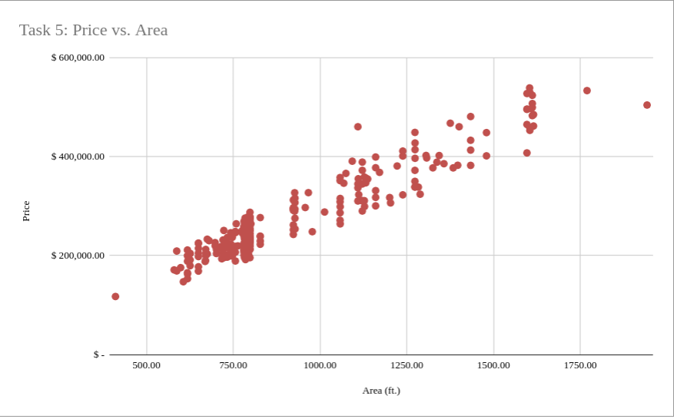

 | Task 5: We can see that area is positively correlated with building price. The bigger a building is, the higher it is priced. We can also see that most of our buildings are around 600 to 800 feet in area, which sheds some light into our previous chart where we could see most of our buildings were in the 200k to 300k price range, this is because most of our buildings are within a similar size range.

Tasks 6,7
365 DataScience RE California Database
Frequency distribution table. Pareto diagram.

Task 6: Create a frequency distribution table, where you list all the countries from which the company has buyers (country vs number of buyers). Count the absolute frequency, the relative frequency and the cumulative frequency.
Task 7: Create a Pareto diagram representing the data.

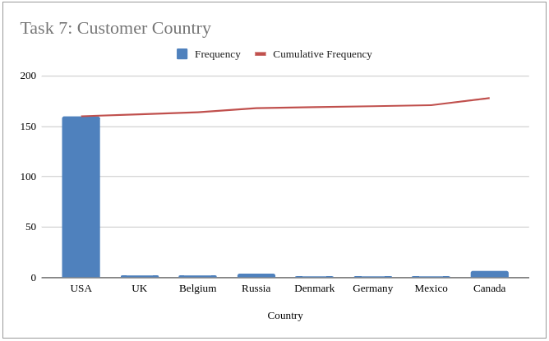
 | Country | Frequency | Cumulative Frequency | Rel. Frequency
 | USA | 160 | 160 | 0.89887640449
 | UK | 2 | 162 | 0.011235955056
 | Belgium | 2 | 164 | 0.011235955056
 | Russia | 4 | 168 | 0.022471910112
 | Denmark | 1 | 169 | 0.0056179775281
 | Germany | 1 | 170 | 0.0056179775281
 | Mexico | 1 | 171 | 0.0056179775281
 | Canada | 7 | 178 | 0.039325842697
 | Total: | 178 |  | 1

